Input Mark
TMA/GBA/ECA Submission | Mark | * Please input your marks in the grey cells
1 | 69
2 | 69 | # of Submissions | 46
3 | 69 | Mean | 69.61
4 | 69 | Std | 9.73
5 | 59
6 | 59 | Honours | Letter Grade | GPV | Range | %
7 | 59 | 1st Class | A+ | 5.0 | 85-100 | 0.065217391304
8 | 59 | 1st Class | A | 5.0 | 80-84 | 0.0%
9 | 71 | 1st Class | A- | 4.5 | 75-79 | 26.1%
10 | 71 | 2nd Upper | B+ | 4.0 | 70-74 | 23.9%
11 | 71 | 2nd Lower | B | 3.5 | 65-69 | 17.4%
12 | 71 | 3rd Class | B- | 3.0 | 60-64 | 15.2%
13 | 68 | Pass | C+ | 2.5 | 55-59 | 8.7%
14 | 68 | Pass | C | 2.0 | 50-54 | 0.0%
15 | 68 | Fail | D+ | 1.5 | 45-49 | 0.0%
16 | 68 | Fail | D | 1.0 | 40-44 | 0.0%
17 | 60 | Fail | F | 0.0 | <40 | 2.2%
18 | 60
Percentage
19 | 60
New for Jan2020 semester, please read!
20
21 | 74
22 | 74
23 | 74
24 | 74
25 | 63
26 | 63
27 | 63
28 | 63
29 | 76
30 | 76
31 | 76
32 | 76
33
Each marker must check ALL Turnitin reports, and provide a short explanation of finding/action for only TMA or GBA assignment with unusually high Turnitin scores. Note that there is NO fixed threshold to define a high or low Turnitin score, as it depends on the characteristics of the assignment (e.g., length of the report, nature of the assignment, etc.).
For example, if most students have a score less than 20%, and now you see a report with 35% Turnitin score, you should explain why the score is so different. Some possible finding/actions include:
(1) student copied assignment questions into the report.
(2j student has a set of standard references commonly used by others
(3) student has a large chunk of text cited using verbatim quote
(4) student included an article as supplement of assignment
(5) student did not use good paraphrasing technique, and you has penalised the work with mark deduction
(6) suspected plagiarism case. You have submitted it to the exam department for investigation.
Format for reporting cases with high Turnitin score
Student name, pi number, Turnitin score, Action/finding
Course coordinator will need to verify marker submission. HoP will do random sampling of such cases to check.
34 | 85
35 | 85
36 | 85
37 | 70
38 | 25
39 | 70
40 | 70
41 | 75
42 | 75
43 | 75
44 | 75
45 | 78
46 | 78
47 | 78
48 | 78
49
50
51
52
53
54
55
56
57
58
59
60

Sheet1
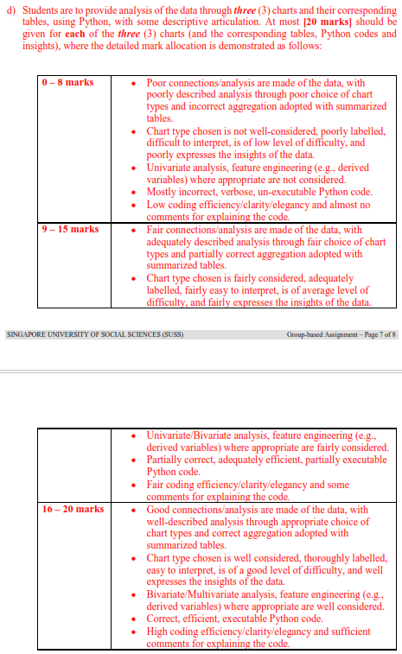
Student | ID | SIS Login ID | GBA Group | 1a | 1b | 1c | 1d | Total
 |  |  |  | 5 | 15 | 20 | 60 | 100
LOKE KUM WAI (LU JINWEI) | 107858 | kwloke002 | 1 | 5 | 13 | 10 | 41 | 69
ANG KIA LOKE | 106680 | klang013 | 1 | 5 | 13 | 10 | 41 | 69
BEVERLYN TAN JIAMIN | 67815 | beverlyntan001 | 1 | 5 | 13 | 10 | 41 | 69
MUHAMMAD BIN OSMAN | 108317 | muhammad058 | 1 | 5 | 13 | 10 | 41 | 69
TAN PEI LING | 93202 | pltan027 | 2 | 5 | 5 | 5 | 44 | 59
HILMI BIN ISHAK | 83685 | hilmi007 | 2 | 5 | 5 | 5 | 44 | 59
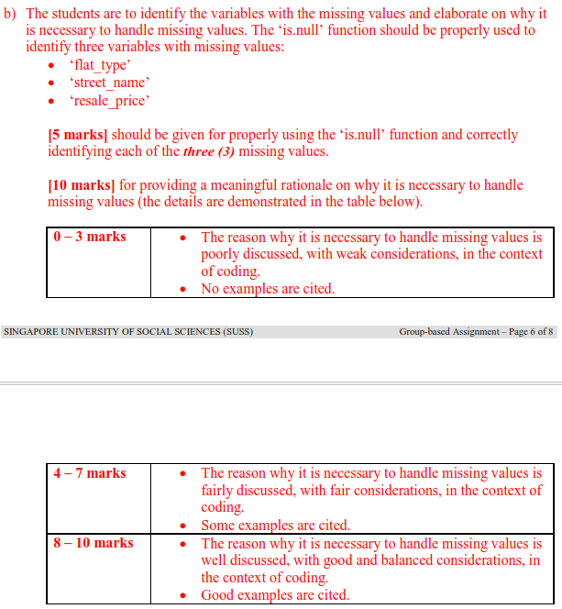
ONG MING DA | 16137 | mdong001 | 2 | 5 | 5 | 5 | 44 | 59
PANG SHI DA LAWRENCE | 107089 | lawrencepang001 | 2 | 5 | 5 | 5 | 44 | 59
ONG CHIEW LING | 59913 | clong009 | 3 | 3 | 13 | 10 | 45 | 71
CHUA QI YING | 68340 | qychua002 | 3 | 3 | 13 | 10 | 45 | 71
LEE WEI XUAN | 106674 | wxlee008 | 3 | 3 | 13 | 10 | 45 | 71
RIS NURISH ISZRYFINNA BINTE MOHAMED ISMAIL | 100385 | risnurish001 | 3 | 3 | 13 | 10 | 45 | 71
GOH JUN JIE | 94688 | jjgoh005 | 4 | 2 | 5 | 13 | 48 | 68
ANGELA LIU QIYU | 83728 | angelaliu001 | 4 | 2 | 5 | 13 | 48 | 68
LIM SOON MENG | 108623 | smlim023 | 4 | 2 | 5 | 13 | 48 | 68
NUR FAZILLAH BINTE ABDUL RAHMAN | 44071 | nurfazillah002 | 4 | 2 | 5 | 13 | 48 | 68
ANG XIU ZHI | 33111 | xzang001 | 5 | 4 | 14 | 5 | 37 | 60
NAOMI TINA GAN MIN | 94023 | naomitinagan001 | 5 | 4 | 14 | 5 | 37 | 60
TAN MEI YI RACHEL | 67833 | racheltan019 | 5 | 4 | 14 | 5 | 37 | 60
WONG KEE MOI | 102193 | kmwong013 | 5 |  |  |  |  | 0
YEO JIA JIE, JACKSON | 101741 | jacksonyeo001 | 6 | 5 | 14 | 5 | 50 | 74
MUHAMMAD FITHRI BIN FADILIAH | 48564 | fithri001 | 6 | 5 | 14 | 5 | 50 | 74
TEA ICH NGY | 92768 | intea001 | 6 | 5 | 14 | 5 | 50 | 74
TEH YI LIN | 68314 | ylteh003 | 6 | 5 | 14 | 5 | 50 | 74
LAU WEI LIAN (LIU WEILIAN) | 103589 | wllau009 | 7 | 5 | 5 | 5 | 48 | 63
LIM KAI WEN | 99999 | kwlim012 | 7 | 5 | 5 | 5 | 48 | 63
NG YI JIAN | 94296 | yjng017 | 7 | 5 | 5 | 5 | 48 | 63
SHAFINA BINTE HAZMAN | 108097 | shafina001 | 7 | 5 | 5 | 5 | 48 | 63
PEREIRA KATHLYN THERESE | 99950 | kathlyn001 | 8 | 5 | 13 | 13 | 45 | 76
GOH QING FENG | 83698 | qfgoh001 | 8 | 5 | 13 | 13 | 45 | 76
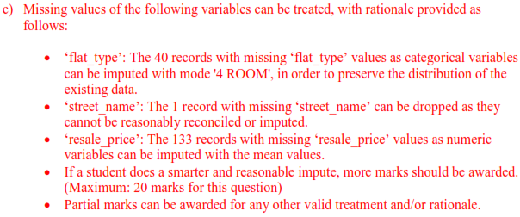
NG LING YING | 83940 | lyng007 | 8 | 5 | 13 | 13 | 45 | 76
TAN ZEKAI, MARCUS | 61579 | marcustan015 | 8 | 5 | 13 | 13 | 45 | 76
THANSEEM BINTE MOHAMED JALALUDEEN | 82835 | thanseem001 | 9
AILN AIK XIU JING | 66889 | ailnaik001 | 9 | 5 | 13 | 18 | 49 | 85
CHUA YONG HUA | 66399 | yhchua008 | 9 | 5 | 13 | 18 | 49 | 85
NG XUE ER, ARIEL | 102118 | arielng001 | 9 | 5 | 13 | 18 | 49 | 85
MOHAMMAD DANIAL BIN MOHAMMAD ISMAIL | 108630 | mohammaddanial011 | 10 | 5 | 10 | 10 | 45 | 70
DARRION GOH ING HEAN | 107046 | darriongoh003 | 10 | 5 | 10 | 10 | 45 | 25
MUHAMMAD YUSUF BIN ZAINUDIN | 76490 | muhammadyusuf005 | 10 | 5 | 10 | 10 | 45 | 70
ONG LEE ZHU | 99709 | lzong001 | 10 | 5 | 10 | 10 | 45 | 70
CHUA YU ZHE | 109609 | yzchua006 | 11 | 5 | 13 | 15 | 42 | 75
GWENDOLYN YEO ZI HUI (YANG ZIHUI) | 106813 | gwendolynyeo001 | 11 | 5 | 13 | 15 | 42 | 75
ONG SHENG DA | 101349 | sdong001 | 11 | 5 | 13 | 15 | 42 | 75
VILLANUEVA VAN HALLY BORINES | 68706 | villanueva002 | 11 | 5 | 13 | 15 | 42 | 75
GOH JIA YI SAMUEL | 108473 | samuelgoh006 | 12 | 5 | 13 | 18 | 42 | 78
CHEN SHI YUN | 109458 | sychen009 | 12 | 5 | 13 | 18 | 42 | 78
HAMREESH S/O ARIVALAGAN | 94685 | hamreesh001 | 12 | 5 | 13 | 18 | 42 | 78
TAN WEE HUAT | 100483 | whtan025 | 12 | 5 | 13 | 18 | 42 | 78
ISSAC CHRISTOPHER ONG WEN XUAN |  |  | 13 | 5 | 13 | 15 | 41 | 74
ADAM ABDULLAH ANG | 92730 | adamang002 | 13 | 5 | 13 | 15 | 41 | 74
DON LEE YANG | 100013 | donlee002 | 13 | 5 | 13 | 15 | 41 | 74
NUR HAMIZAH BINTE RIDWAN | 107784 | nurhamizah009 | 13 | 5 | 13 | 15 | 41 | 74
YIEW SHER KYM LYNETTE | 83848 | lynetteyiew001 | 14 | 5 | 7 | 8 | 41 | 61
LEE JAY HOON JENNY | 65571 | jhlee011 | 14 | 5 | 7 | 8 | 41 | 61
NUR AMEERAH BINTE NASSIRUDIN | 86231 | nurameerah002 | 14 | 5 | 7 | 8 | 41 | 61
NUR RUZAINATUL HUSNAA BINTE ABDUL JALIL | 107026 | nurruzainatul001 | 14 | 5 | 7 | 8 | 41 | 61
POH SZE YING | 82413 | sypoh003 | 14 | 5 | 7 | 8 | 41 | 61

